RAFI SEAFOOD (Seafood)
DATE | DESCRIPTION | QUANTITY | PRICE | BILLS | SUBTOTAL | TOTAL
1-Feb-2026 | SALMON | 2.25 | IDR 370,000 | 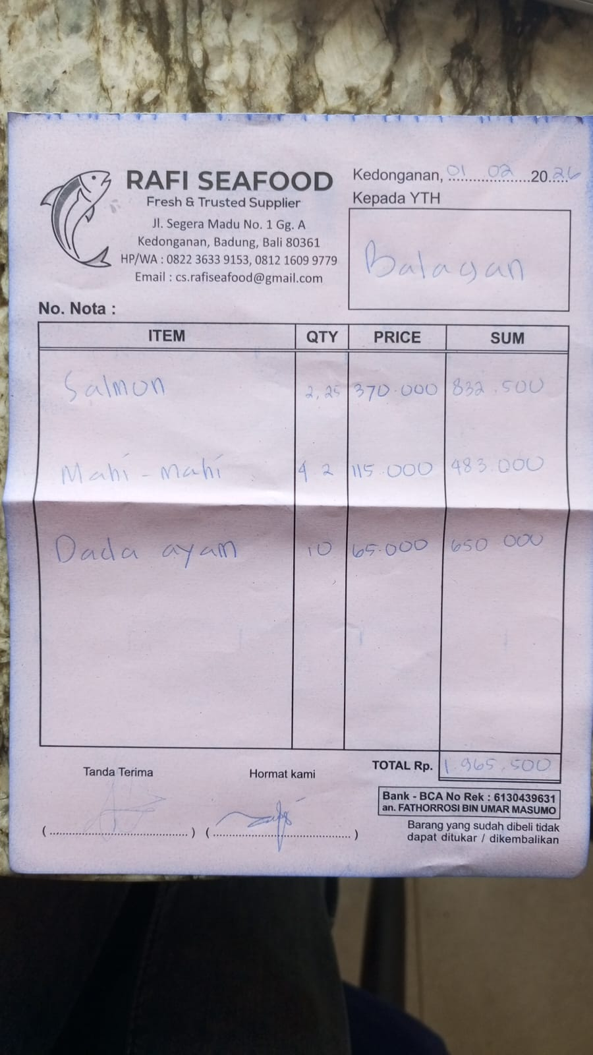 | IDR 832,500 | IDR 1,965,500
 | MAHI-MAHI | 4.2 | IDR 115,000 |  | IDR 483,000
 | CHICKEN BREAST | 10 | IDR 65,000 |  | IDR 650,000
2-Feb-2026 | PRAWN | 5 | IDR 185,000 | 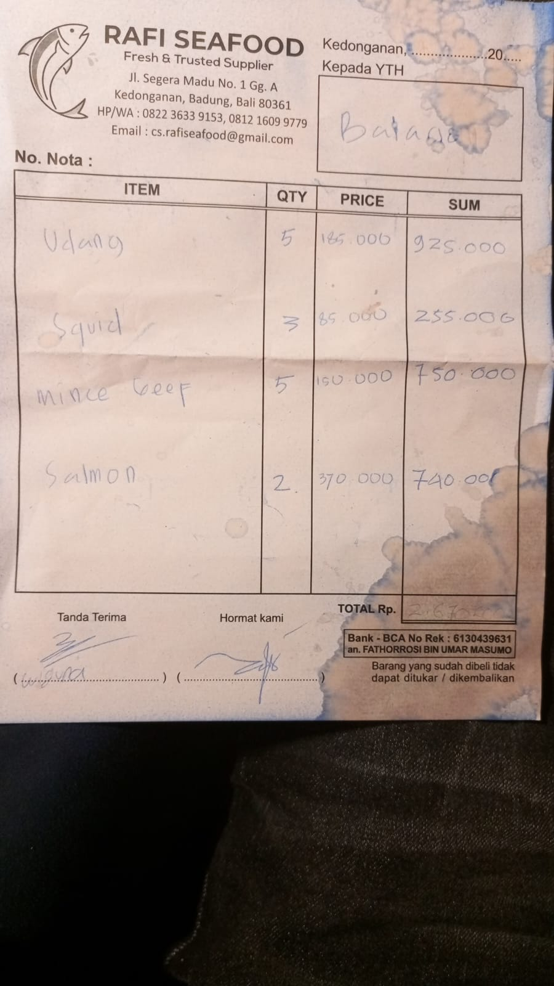 | IDR 925,000 | IDR 2,670,000
 | SQUID | 3 | IDR 85,000 |  | IDR 255,000
 | MINCED BEEF | 5 | IDR 150,000 |  | IDR 750,000
 | SALMON | 2 | IDR 370,000 |  | IDR 740,000
6-Feb-2026 | TUNA | 6.8 | IDR 115,000 | 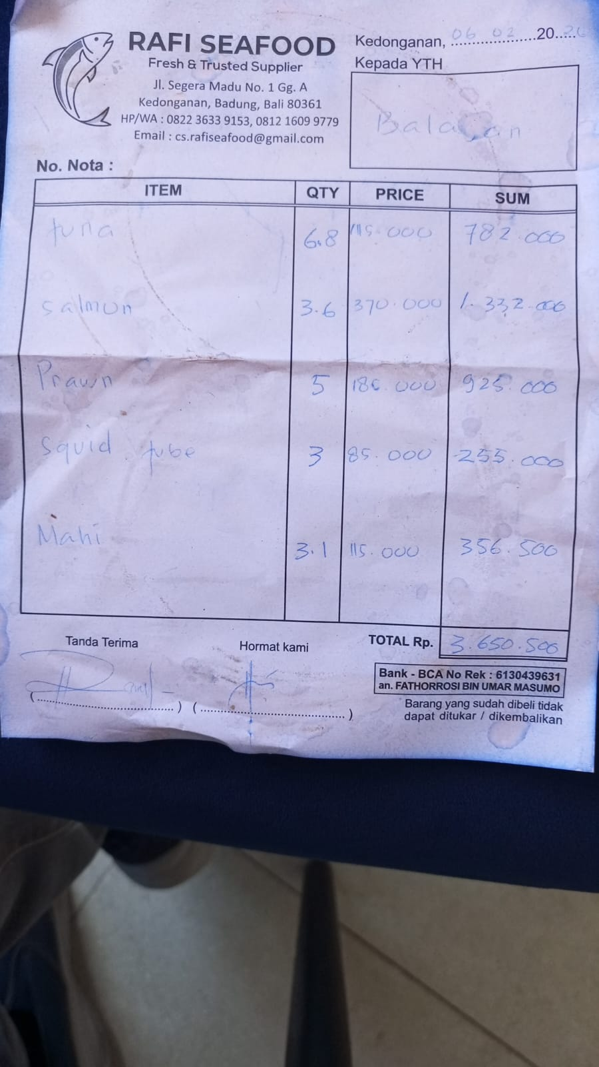 | IDR 782,000 | IDR 3,650,500
 | SALMON | 3.6 | IDR 370,000 |  | IDR 1,332,000
 | PRAWN | 5 | IDR 185,000 |  | IDR 925,000
 | SQUID TUBE | 3 | IDR 85,000 |  | IDR 255,000
 | MAHI-MAHI | 3.1 | IDR 115,000 |  | IDR 356,500
7-Feb-2026 | PRAWN | 2 | IDR 185,000 | 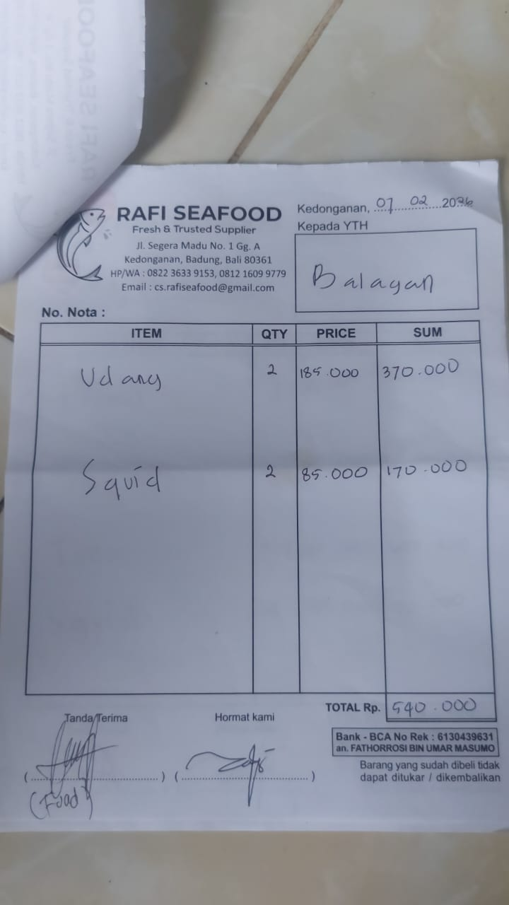 | IDR 370,000 | IDR 540,000
 | SQUID | 2 | IDR 85,000 |  | IDR 170,000
9-Feb-2026 | PRAWN | 3 | IDR 185,000 | 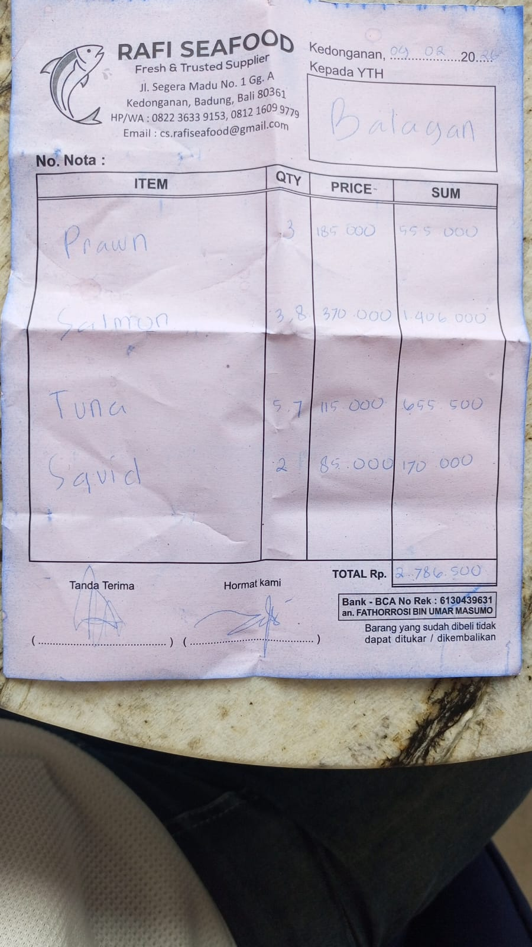 | IDR 555,000 | IDR 2,786,500
 | SALMON | 3.8 | IDR 370,000 |  | IDR 1,406,000
 | TUNA | 5.7 | IDR 115,000 |  | IDR 655,500
 | SQUID | 2 | IDR 85,000 |  | IDR 170,000
13-Feb-2026 | TUNA | 3.9 | IDR 115,000 | 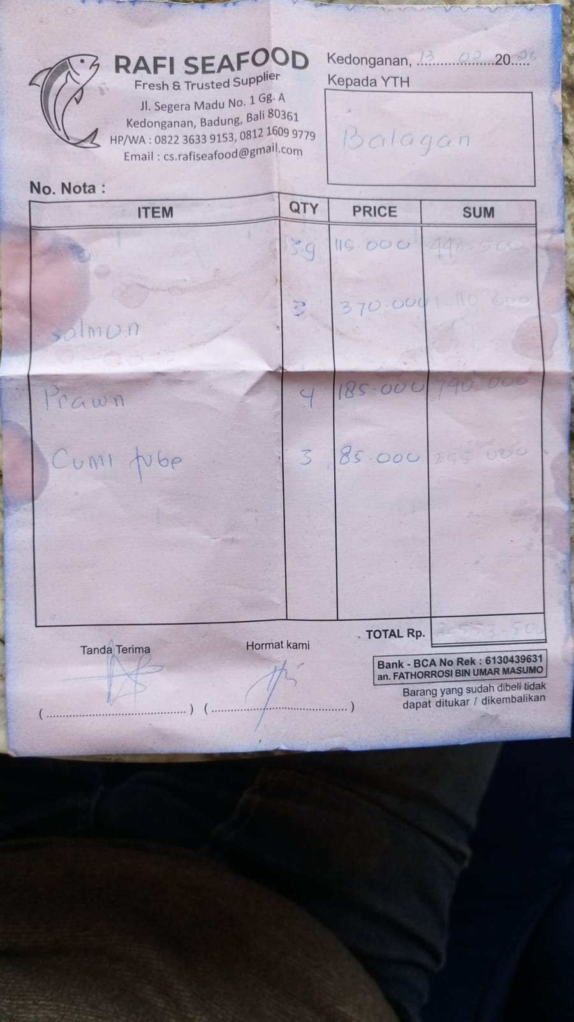 | IDR 448,500 | IDR 2,553,500
 | SALMON | 3 | IDR 370,000 |  | IDR 1,110,000
 | PRAWN | 4 | IDR 185,000 |  | IDR 740,000
 | SQUID TUBE | 3 | IDR 85,000 |  | IDR 255,000
17-Feb-2026 | TUNA | 13.3 | IDR 115,000 | 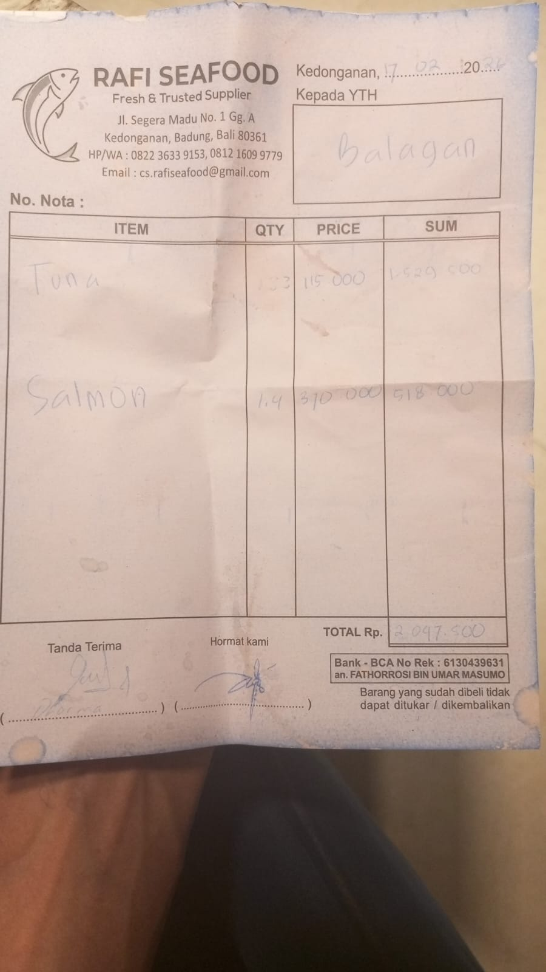 | IDR 1,529,500 | IDR 2,047,500
 | SALMON | 1.4 | IDR 370,000 |  | IDR 518,000
18-Feb-2026 | PRAWN | 5 | IDR 185,000 | 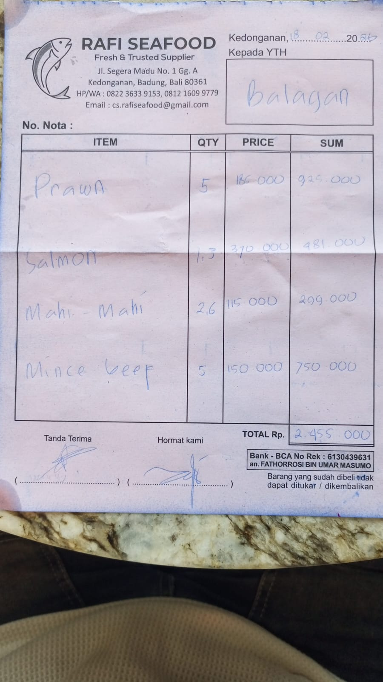 | IDR 925,000 | IDR 2,455,000
 | SALMON | 1.3 | IDR 370,000 |  | IDR 481,000
 | MAHI-MAHI | 2.6 | IDR 115,000 |  | IDR 299,000
 | MINCED BEEF | 5 | IDR 150,000 |  | IDR 750,000
20-Feb-2026 | PRAWN | 3 | IDR 185,000 | 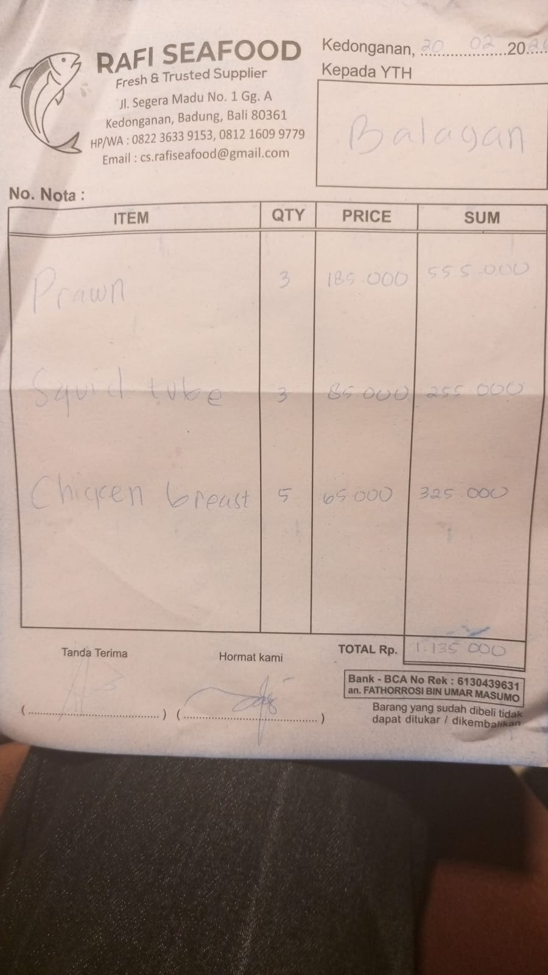 | IDR 555,000 | IDR 1,135,000
 | SQUID TUBE | 3 | IDR 85,000 |  | IDR 255,000
 | CHICKEN BREAST | 5 | IDR 65,000 |  | IDR 325,000
22-Feb-2026 | SALMON | 3.5 | IDR 370,000 | 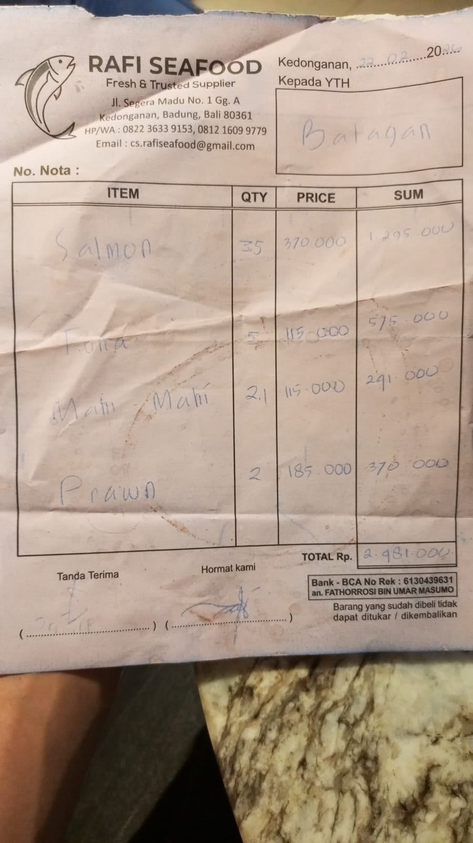 | IDR 1,295,000 | IDR 2,481,500
 | TUNA | 5 | IDR 115,000 |  | IDR 575,000
 | MAHI-MAHI | 2.1 | IDR 115,000 |  | IDR 241,500
 | PRAWN | 2 | IDR 185,000 |  | IDR 370,000
27-Feb-2026 | MAHI-MAHI | 2.9 | Rp115,000 | 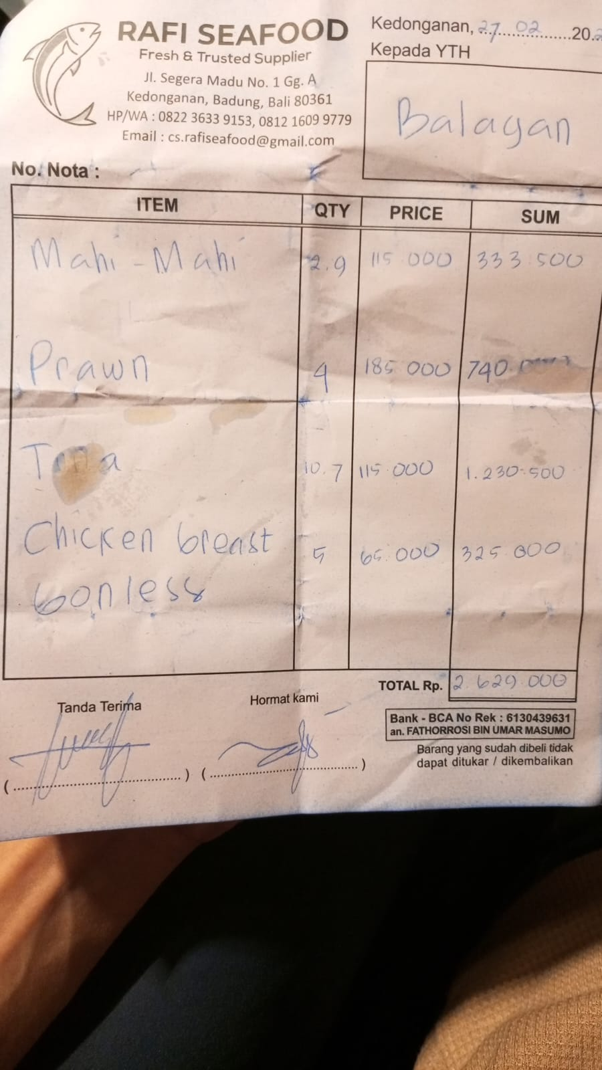 | IDR 333,500 | IDR 2,629,000
 | PRAWN | 4 | Rp185,000 |  | IDR 740,000
 | TUNA | 10.7 | Rp115,000 |  | IDR 1,230,500
 | CHICKEN BREAST | 5 | Rp65,000 |  | IDR 325,000

 |  |  | Rp24,914,000

